data
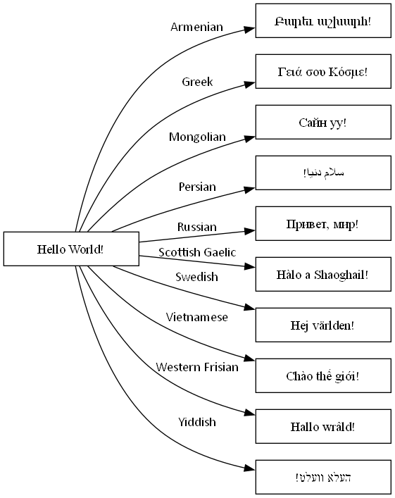
 | Item | Label | Is Related To Item | Extra Attributes | Properties
# | Override some Graphviz defaults
 | node |  |  | shape=box width=2
 | edge |  |  | fontname=Calibri
# | Examples of "Hello World!" in languages which require UTF-8 encoding to display correctly
 | armenian | Բարեւ աշխարհ!
 | english | Hello World!
 | greek | Γειά σου Κόσμε!
 | mongolian | Сайн уу!
 | persian | سلام دنیا!
 | russian | Привет, мир!
 | scottish gaelic | Hàlo a Shaoghail!
 | swedish | Hej världen!
 | vietnamese | Chào thế giới!
 | western frisian | Hallo wrâld!
 | yiddish | העלא וועלט!
# | English to 'language' relationships
 | english | Armenian | armenian
 | english | Greek | greek
 | english | Mongolian | mongolian
 | english | Persian | persian
 | english | Russian | russian
 | english | Scottish Gaelic | scottish gaelic
 | english | Swedish | swedish
 | english | Vietnamese | vietnamese
 | english | Western Frisian | western frisian
 | english | Yiddish | yiddish

styles
Style Name | Description | Format | Properties | Style Type | All Styles | No Clusters | No Edges
node |  |  |  | node | yes | yes
edge |  |  |  | edge | yes | yes
subgraph-open |  |  |  | subgraph-open | yes | no |  | 
subgraph-close |  |  |  | subgraph-close | yes | no
keyword |  |  |  | keyword | yes | yes
native |  |  |  | native | yes | yes
Border 0 Begin |  | penwidth=2 fontname="Calibri Bold" fontsize=16 margin=18 |  | subgraph-open | yes | no |  | 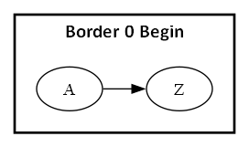
Border 0 End |  |  |  | subgraph-close | yes | no
Border 1 Begin |  | penwidth=1 colorscheme=pastel16 fillcolor=6 fontname="Calibri Bold" fontsize=12 style=filled margin=18 |  | subgraph-open | yes | no |  | 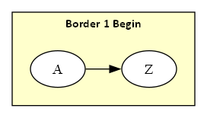
Border 1 End |  |  |  | subgraph-close | yes | no
Border 2 Begin |  | penwidth=1 colorscheme=pastel16 fillcolor=5 fontname="Calibri Bold" fontsize=12 style=filled margin=18 |  | subgraph-open | yes | no |  | 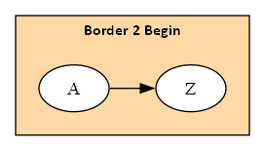
Border 2 End |  |  |  | subgraph-close | yes | no
Border 3 Begin |  | penwidth=1 colorscheme=pastel16 fillcolor=4 fontname="Calibri Bold" fontsize=12 style=filled margin=18 |  | subgraph-open | yes | no |  | 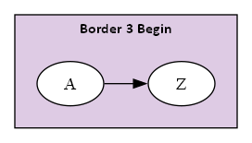
Border 3 End |  |  |  | subgraph-close | yes | no
Border 4 Begin |  | penwidth=1 colorscheme=pastel16 fillcolor=3 fontname="Calibri Bold" fontsize=12 style=filled margin=18 |  | subgraph-open | yes | no |  | 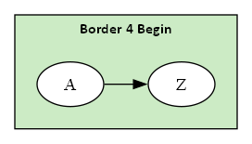
Border 4 End |  |  |  | subgraph-close | yes | no
Border 5 Begin |  | penwidth=1 colorscheme=pastel16 fillcolor=2 fontname="Calibri Bold" fontsize=12 style=filled margin=18 |  | subgraph-open | yes | no |  | 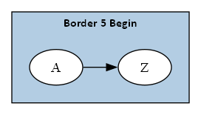
Border 5 End |  |  |  | subgraph-close | yes | no
Component |  | shape=component height="0.75" width="1.25" fixedsize=True fillcolor=White fontname=Calibri fontsize=10 style=filled |  | node | yes | yes
Decision |  | shape=diamond height="0.75" width="1.25" fixedsize=True fillcolor=White fontname=Calibri fontsize=10 style=filled |  | node | yes | yes
Event |  | shape=rectangle height="0.375" width="1.25" fixedsize=True fillcolor=White fontname=Calibri fontsize=10 style="rounded,filled" |  | node | yes | yes
Extract |  | shape=triangle height="0.75" width="1.25" fixedsize=True fillcolor=White fontname=Calibri fontsize=10 style=filled |  | node | yes | yes
File |  | shape=note height="0.75" width="0.5" fixedsize=True fillcolor=White fontname=Calibri fontsize=10 style=filled |  | node | yes | yes
Folder |  | shape=folder height="0.5" width="0.75" fixedsize=True fillcolor=White fontname=Calibri fontsize=10 style=filled |  | node | yes | yes
Flow |  | fontname=Calibri fontsize=10 |  | edge | yes | yes
Flow - Dotted |  | fontname=Calibri fontsize=10 weight=100 decorate=false style=dotted arrowsize="0.5" |  | edge | yes | yes
Flow - Negative |  | fontname=Calibri fontsize=10 weight=100 decorate=false color=red fontcolor=red |  | edge | yes | yes
Flow - Positive |  | fontname=Calibri fontsize=10 weight=100 decorate=false color=darkgreen fontcolor=darkgreen |  | edge | yes | yes
Input |  | shape=parallelogram height="0.75" width="1.25" fixedsize=True fillcolor=White fontname=Calibri fontsize=10 style=filled |  | node | yes | yes
Invisible Edge |  | style=invis color=Invis |  | edge | yes | yes
Invisible Point |  | shape=point fillcolor=Invis color=Invis style=filled |  | node | yes | yes
Manual Operation |  | shape=invtrapezium height="0.75" width="1.25" fixedsize=True fillcolor=White fontname=Calibri fontsize=10 style=filled |  | node | yes | yes
Merge |  | shape=invtriangle height="0.75" width="1.25" fixedsize=True fillcolor=White fontname=Calibri fontsize=10 style=filled |  | node | yes | yes
Off Page Reference |  | shape=invhouse height="0.625" width="0.625" fixedsize=True fillcolor=White fontname=Calibri fontsize=10 style=filled |  | node | yes | yes
On Page Reference |  | shape=circle height="0.625" width="0.625" fixedsize=True fillcolor=White fontname=Calibri fontsize=10 style=filled |  | node | yes | yes
Output |  | shape=parallelogram height="0.75" width="1.25" fixedsize=True fillcolor=White fontname=Calibri fontsize=10 style=filled |  | node | yes | yes
Point |  | shape=point |  | node | yes | yes
Predefined Process |  | shape=rectangle height="0.75" width="1.25" fixedsize=True fillcolor=White fontname=Calibri fontsize=10 style="diagonals,filled" |  | node | yes | yes
Preparation |  | shape=hexagon height="0.75" width="1.25" fixedsize=True fillcolor=White fontname=Calibri fontsize=10 style=filled |  | node | yes | yes
Process |  | shape=rect height="0.75" width="1.25" fixedsize=True fillcolor=White fontname=Calibri fontsize=10 style=filled |  | node | yes | yes
Stop |  | shape=octagon height="0.75" width="0.75" fixedsize=True color=Red fillcolor=white fontname=Calibri fontsize=10 style=filled |  | node | yes | yes

